Paul's threshold
Posidonia sinuosa
! %SI |  | ! sal |  | ! temp |  | ! flow velocity m/s |  | ! low tide exposure (average fraction of time water depth >0.1m) |  | ! substrate %sand |  | ! wave exposure (bottom orbital velocity m/s)
light | 13 | salt | 8 | temp | 9 | vel | 5 | wettime | 3 | NCS_fs1 | 4 | wave_exposure | 5
0 | 0 | 0 | 0 | 0 | 0 | 0 | 0 | 0 | 0 | 0 | 0 | 0 | 1
3.9 | 0 | 10 | 0.5 | 12.9 | 0 | 0.05 | 1 | 0.99 | 0 | 0.1 | 0 | 0.4 | 1
4 | 0.1 | 20 | 1 | 13 | 0.5 | 1.5 | 1 | 1 | 1 | 0.9 | 1 | 0.41 | 0
7.8 | 0.2 | 40 | 1 | 18 | 1 | 1.6 | 0 |  |  | 1 | 1 | 0.5 | 0
8.5 | 0.3 | 55 | 0.66 | 20.5 | 1 | 30 | 0 |  |  |  |  | 2 | 0
10 | 0.4 | 57 | 0.33 | 23 | 1
11 | 0.5 | 57.1 | 0 | 24 | 0.25
12 | 0.6 | 100 | 0 | 24.1 | 0
12.2 | 0.7 |  |  | 50 | 0
15 | 0.8
17 | 0.9
20 | 1
100 | 1

Posidonia australis
! %SI |  | ! sal |  | ! temp |  | ! flow velocity m/s |  | ! low tide exposure (average fraction of time water depth >0.1m) |  | ! substrate %sand |  | ! wave exposure (bottom orbital velocity m/s)
light | 6 | salt | 8 | temp | 9 | vel | 5 | wettime | 3 | NCS_fs1 | 4 | wave_exposure | 5
0 | 0 | 0 | 0 | 0 | 0 | 0 | 0 | 0 | 0 | 0 | 0 | 0 | 1
5 | 0 | 10 | 0.5 | 12.9 | 0 | 0.05 | 1 | 0.99 | 0 | 0.1 | 0 | 0.4 | 1
10 | 1 | 20 | 1 | 13 | 0.5 | 1.5 | 1 | 1 | 1 | 0.9 | 1 | 0.41 | 0
50 | 1 | 40 | 1 | 18 | 0.8 | 1.6 | 0 |  |  | 1 | 1 | 0.5 | 0
90 | 1 | 55 | 0.66 | 19 | 1 | 30 | 0 |  |  |  |  | 2 | 0
100 | 1 | 57 | 0.33 | 23 | 1
 |  | 57.1 | 0 | 26 | 0.25
 |  | 100 | 0 | 30 | 0
 |  |  |  | 50 | 0

Posidonia coriacea
! %SI |  | ! sal |  | ! temp |  | ! flow velocity m/s |  | ! low tide exposure (average fraction of time water depth >0.1m) |  | ! substrate %sand |  | ! wave exposure (bottom orbital velocity m/s)
light | 6 | salt | 7 | temp | 10 | vel | 5 | wettime | 3 | NCS_fs1 | 4 | wave_exposure | 4
0 | 0 | 0 | 0 | 0 | 0 | 0 | 0 | 0 | 0 | 0 | 0 | 0 | 1
4.9 | 0 | 10 | 0.5 | 12.9 | 0 | 0.05 | 1 | 0.99 | 0 | 0.1 | 0 | 0.5 | 1
5 | 0.33 | 20 | 1 | 13 | 0.5 | 1.5 | 1 | 1 | 1 | 0.9 | 1 | 0.51 | 0
8 | 0.67 | 35 | 1 | 14 | 0.8 | 1.6 | 0 |  |  | 1 | 1 | 2 | 0
12.1 | 1 | 50 | 1 | 18 | 1 | 30 | 0
100 | 1 | 51 | 0 | 19 | 1
 |  | 100 | 0 | 23 | 1
 |  |  |  | 26 | 0.25
 |  |  |  | 30 | 0
 |  |  |  | 50 | 0

Amphibolis griffithii
! %SI |  | ! sal |  | ! temp |  | ! flow velocity m/s |  | ! low tide exposure (average fraction of time water depth >0.1m) |  | ! substrate %sand |  | ! wave exposure (bottom orbital velocity m/s)
light | 5 | salt | 10 | temp | 10 | vel | 5 | wettime | 3 | NCS_fs1 | 4 | wave_exposure | 4
0 | 0 | 0 | 0 | 0 | 0 | 0 | 0 | 0 | 0 | 0 | 0 | 0 | 1
8 | 0 | 10 | 0.5 | 10 | 0 | 0.05 | 1 | 0.99 | 0 | 0.1 | 0 | 0.5 | 1
12 | 0.3 | 20 | 1 | 13 | 0.25 | 1.5 | 1 | 1 | 1 | 0.9 | 1 | 0.51 | 0
20 | 1 | 42 | 1 | 15 | 0.5 | 1.6 | 0 |  |  | 1 | 1 | 2 | 0
100 | 1 | 42.5 | 1 | 18 | 0.75 | 30 | 0
 |  | 57 | 0.75 | 20 | 1
 |  | 62.4 | 0.5 | 22 | 1
 |  | 64 | 0.25 | 23 | 1
 |  | 65 | 0 | 30 | 0
 |  | 100 | 0 | 50 | 0

Amphibolis antarctica
! %SI |  | ! sal |  | ! temp |  | ! flow velocity m/s |  | ! low tide exposure (average fraction of time water depth >0.1m) |  | ! substrate %sand |  | ! wave exposure (bottom orbital velocity m/s)
light | 5 | salt | 10 | temp | 10 | vel | 5 | wettime | 3 | NCS_fs1 | 2 | wave_exposure | 4
0 | 0 | 0 | 0 | 0 | 0 | 0 | 0 | 0 | 0 | 0 | 1 | 0 | 1
4.9 | 0 | 10 | 0.5 | 9.9 | 0 | 0.05 | 1 | 0.99 | 0 | 1 | 1 | 0.6 | 1
5 | 0.5 | 20 | 1 | 10 | 0.2 | 1.5 | 1 | 1 | 1 |  |  | 0.61 | 0
12.2 | 1 | 42 | 1 | 12 | 0.4 | 1.6 | 0 |  |  |  |  | 2 | 0
100 | 1 | 42.5 | 1 | 13 | 0.6 | 30 | 0
 |  | 57 | 0.75 | 18 | 0.8
 |  | 62.4 | 0.5 | 23 | 1
 |  | 64 | 0.25 | 26 | 1
 |  | 65 | 0 | 30 | 0
 |  | 100 | 0 | 50 | 0

Heterozostera tasmanica
! %SI |  | ! sal |  | ! temp |  | ! flow velocity m/s |  | ! low tide exposure (average fraction of time water depth >0.1m) |  | ! substrate %sand |  | ! wave exposure (bottom orbital velocity m/s)
light | 8 | salt | 7 | temp | 8 | vel | 5 | wettime | 4 | NCS_fs1 | 4 | wave_exposure | 5
0 | 0 | 0 | 0 | 0 | 0 | 0 | 0 | 0 | 0 | 0 | 0 | 0 | 1
1.9 | 0 | 10 | 0.5 | 4.9 | 0 | 0.05 | 1 | 0.84 | 0 | 0.1 | 0 | 0.3 | 1
2 | 0.14 | 20 | 1 | 5 | 0.25 | 1.5 | 1 | 0.92 | 1 | 0.9 | 1 | 0.31 | 0
2.9 | 0.22 | 33 | 1 | 10 | 0.5 | 1.6 | 0 | 1 | 1 | 1 | 1 | 0.5 | 0
4.4 | 0.36 | 38 | 1 | 22 | 0.75 | 30 | 0 |  |  |  |  | 2 | 0
5 | 0.57 | 40 | 0 | 30 | 1
9 | 0.73 | 100 | 0 | 40 | 0.5
9.1 | 0.8 |  |  | 41 | 0

Halophilia ovalis
! %SI |  | ! sal |  | ! temp |  | ! flow velocity m/s |  | ! low tide exposure (average fraction of time water depth >0.1m) |  | ! substrate %sand |  | ! wave exposure (bottom orbital velocity m/s)
light | 5 | salt | 8 | temp | 7 | vel | 5 | wettime | 4 | NCS_fs1 | 4 | wave_exposure | 5
0 | 0 | 0 | 0 | 0 | 0 | 0 | 0 | 0 | 0 | 0 | 0 | 0 | 1
2.4 | 0 | 10 | 0.5 | 9 | 0 | 0.05 | 1 | 0.84 | 0 | 0.1 | 0 | 0.3 | 1
2.5 | 0.2 | 15 | 1 | 10 | 1 | 1.5 | 1 | 0.92 | 1 | 0.9 | 1 | 0.31 | 0
16 | 1 | 20 | 1 | 30 | 1 | 1.6 | 0 | 1 | 1 | 1 | 1 | 0.5 | 0
100 | 1 | 25 | 1 | 37 | 0.5 | 30 | 0 |  |  |  |  | 2 | 0
 |  | 58 | 1 | 38 | 0
 |  | 59 | 0 | 50 | 0
 |  | 100 | 0

biomass_all
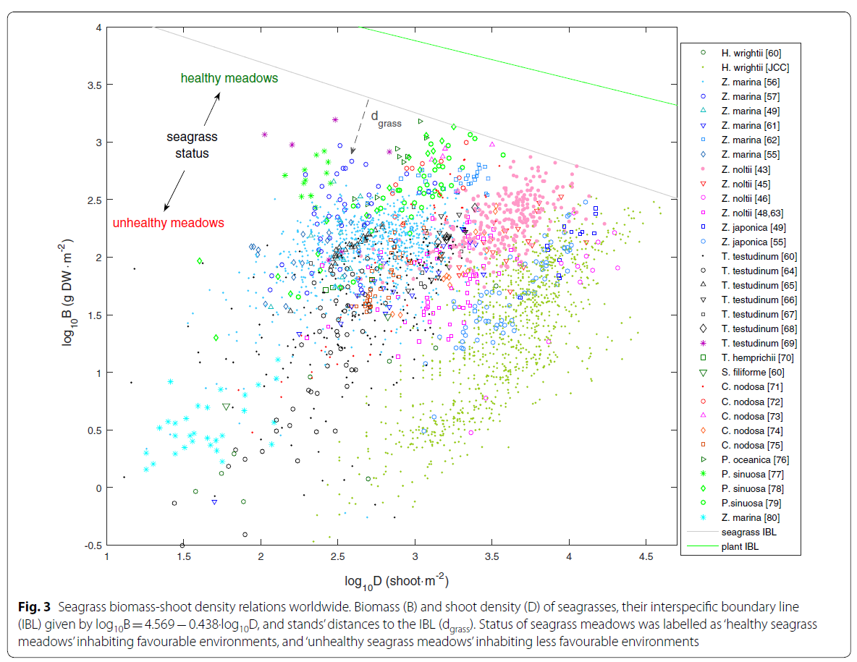
 | year | Site | depth | shoot density | biomass_above (leaf+sheath) | biomass_below (root+rhizome) | shoot density (log10) | biomass_above (log10) | biomass_below (log10) | P.sinuosa in Cockburn Sound |  |  |  | Seagrass IBL (Interspecific Boundary Line)
winter_Cockburn | 2003 | 1.6 | 1.6124882 | 1445 | 897.2 |  | 3.2 | 2.95 |  | lgB = 0.9551*lgD-0.1967 |  | lgB_below = 1.257*lgB_above-0.7903 |  | lgB = 4.569 − 0.438*lgD
winter_Cockburn | 2003 | 4.0 | 3.9898624 | 948 | 645.3 |  | 3.0 | 2.81
winter_Cockburn | 2003 | 5.7 | 5.699007 | 807 | 417.4 |  | 2.9 | 2.62 |  | Density (D) | Biomass aboveground (B) | Biomass belowground (B_below) | Biomass total | Density (lgD) | Biomass aboveground (lgB)
winter_Cockburn | 2003 | 6.5 | 6.498638 | 397 | 143.4 |  | 2.6 | 2.16 |  | 1000 | 466.23 | 366.55 | 832.78 | 0 | 4.569
winter_Cockburn | 2003 | 8.3 | 8.315806 | 87 | 32.6 |  | 1.9 | 1.51 |  |  |  |  |  | 1 | 4.131
winter_Cockburn | 2003 | 9.0 | 9.037583 | 20 | 16.4 |  | 1.3 | 1.21 |  | Density VS biomass_above is based on 1993 (corrected), 2003 and 2015 data |  |  |  | 2 | 3.693
summer_Cockburn | 2003 | 1.6 | 1.6370096 | 840 | 655.0 | 1028.7958 | 2.9 | 2.82 | 3.01 | Biomass_below VS biomass_above is based on 2003 and 2015 data |  |  |  | 3 | 3.255
summer_Cockburn | 2003 | 4.0 | 4.0166 | 1055 | 645.3 | 589.00525 | 3.0 | 2.81 | 2.77 |  |  |  |  | 4 | 2.817
summer_Cockburn | 2003 | 5.7 | 5.6709824 | 471 | 276.8 | 353.40314 | 2.7 | 2.44 | 2.55
summer_Cockburn | 2003 | 6.5 | 6.5250897 | 249 | 112.1 | 54.973824 | 2.4 | 2.05 | 1.74
summer_Cockburn | 2003 | 8.3 | 8.315806 | 81 | 32.6 | 23.56021 | 1.9 | 1.51 | 1.37
summer_Cockburn | 2003 | 9.0 | 9.037583 | 54 | 16.4 | 0 | 1.7 | 1.21 | 0.00
summer_Warnbro | 2003 | 1.6 | 1.6266667 | 1082 | 519.4 | 950.2618 | 3.0 | 2.72 | 2.98
summer_Warnbro | 2003 | 4.0 | 4 | 1089 | 682.2 | 777.48694 | 3.0 | 2.83 | 2.89
summer_Warnbro | 2003 | 5.7 | 5.7066665 | 730 | 558.1 | 345.54974 | 2.9 | 2.75 | 2.54
summer_Warnbro | 2003 | 6.6 | 6.56 | 139 | 131.8 | 188.48167 | 2.1 | 2.12 | 2.28
summer_Warnbro | 2003 | 8.3 | 8.293333 | 33 | 15.5 | 62.827225 | 1.5 | 1.19 | 1.80
summer_Warnbro | 2003 | 9.0 | 9.013333 | 27 | 15.5 | 0.00E+00 | 1.4 | 1.19 | 0.00
 | 2015 | GI 2 m | 2 | 2050 | 949.3 | 445.8 | 3.3 | 2.98 | 2.65
 | 2015 | GI 3 m | 3 | 1042 | 370.7 | 195.4 | 3.0 | 2.57 | 2.29
 | 2015 | GI 5 m | 5 | 1450 | 610.5 | 403.2 | 3.2 | 2.79 | 2.61
 | 2015 | GI 7 m | 7 | 858 | 387.8 | 167.6 | 2.9 | 2.59 | 2.22
 | 2015 | EB 2 m |  | 1042 | 337.6 | 197.4 | 3.0 | 2.53 | 2.30
 | 2015 | EB 3 m |  | 1758 | 284.0 | 311.0 | 3.2 | 2.45 | 2.49
 | 2015 | EB 5 m |  | 1567 | 386.2 | 275.1 | 3.2 | 2.59 | 2.44
 | 2015 | EB 7 m |  | 1425 | 408.8 | 330.5 | 3.2 | 2.61 | 2.52
2003 & 2015
 | 2015 | WS 2 m | 2 | 1308 | 727.9 | 394.6 | 3.1 | 2.86 | 2.60
 | 2015 | WS 3 m | 3 | 300 | 53.5 | 18.5 | 2.5 | 1.73 | 1.27
 | 2015 | WS 5 m | 5 | 1100 | 309.5 | 235.7 | 3.0 | 2.49 | 2.37
 | 2015 | WS 7 m | 7 | 658 | 348.2 | 160.7 | 2.8 | 2.54 | 2.21
 | all years
3.2 | 2.95
3.0 | 2.81
2.9 | 2.62
2.6 | 2.16
1.9 | 1.51
1.3 | 1.21
2.9 | 2.82
3.0 | 2.81
2.7 | 2.44
2.4 | 2.05
1.9 | 1.51
1.7 | 1.21
3.0 | 2.72
3.0 | 2.83
2.9 | 2.75
2.1 | 2.12
1.5 | 1.19
1.4 | 1.19
3.3 | 2.98
3.0 | 2.57
3.2 | 2.79
2.9 | 2.59
3.0 | 2.53
3.2 | 2.45
3.2 | 2.59
3.2 | 2.61
3.1 | 2.86
2.5 | 1.73
3.0 | 2.49
2.8 | 2.54
2.9 | 2.80
 | 2.67
2.8 | 2.42
2.9 | 2.33
2.8 | 2.48
2.9 | 2.85
2.7 | 2.62
2.9 | 2.63
 | 2.60
2.9 | 2.53
2.7 | 2.44
2.7 | 2.54
2.9 | 2.71
2.8 | 2.67
Shoalwater_inshore | 1993 |  |  | 822.9 | 626.5 |  | 2.9 | 2.80
Shoalwater_inshore | 1993 |  |  |  | 462.9 |  |  | 2.67
Shoalwater_inshore | 1993 |  |  | 607.6 | 264.3 |  | 2.8 | 2.42
Shoalwater_inshore | 1993 |  |  | 734.3 | 214.5 |  | 2.9 | 2.33
Shoalwater_inshore | 1993 |  |  | 585.0 | 304.4 |  | 2.8 | 2.48
Shoalwater_inshore | 1993 |  |  | 828.1 | 712.4 |  | 2.9 | 2.85
Shoalwater_inshore | 1993 |  |  | 461.8 | 420.7 |  | 2.7 | 2.62
Shoalwater_offshore | 1993 |  |  | 847.2 | 425.8 |  | 2.9 | 2.63
Shoalwater_offshore | 1993 |  |  |  | 400.4 |  |  | 2.60
Shoalwater_offshore | 1993 |  |  | 824.6 | 337.1 |  | 2.9 | 2.53
Shoalwater_offshore | 1993 |  |  | 560.7 | 278.5 |  | 2.7 | 2.44
Shoalwater_offshore | 1993 |  |  | 555.5 | 343.6 |  | 2.7 | 2.54
Shoalwater_offshore | 1993 |  |  | 852.4 | 517.4 |  | 2.9 | 2.71
Shoalwater_offshore | 1993 |  |  | 651.0 | 468.7 |  | 2.8 | 2.67

depthVSbiomass
2003&2015

scale | 0.95
minBiomass | 10
maxBiomass | 650
minDepth | 1.2
maxDepth | 13.8
offset | -7.5

Depth | a | biomass above log10 | Depth | actual biomass log10 | pred a | pred biomass log10
0 | -7.1 | 2.81 | 1.6 | 2.95 | -11.8 | 2.81
1 | -6.2 | 2.81 | 1.6 | 2.72 | -11.7 | 2.81
2 | -5.2 | 2.80 | 1.6 | 2.82 | -11.7 | 2.81
3 | -4.3 | 2.79 | 2 | 2.98 | -11.0 | 2.81
4 | -3.3 | 2.75 | 2 | 2.86 | -11.0 | 2.81
5 | -2.4 | 2.66 | 3 | 2.57 | -9.0 | 2.81
6 | -1.4 | 2.46 | 3 | 1.73 | -9.0 | 2.81
7 | -0.5 | 2.12 | 4.0 | 2.81 | -7.0 | 2.81
8 | 0.5 | 1.69 | 4.0 | 2.83 | -7.0 | 2.81
9 | 1.4 | 1.35 | 4.0 | 2.81 | -7.0 | 2.81
10 | 2.4 | 1.15 | 5 | 2.79 | -5.0 | 2.80
11 | 3.3 | 1.06 | 5 | 2.49 | -5.0 | 2.80
12 | 4.3 | 1.02 | 5.7 | 2.44 | -3.7 | 2.77
13 | 5.2 | 1.01 | 5.7 | 2.62 | -3.6 | 2.76
 |  |  | 5.7 | 2.75 | -3.6 | 2.76
 |  |  | 6.5 | 2.16 | -2.0 | 2.60
 |  |  | 6.5 | 2.05 | -1.9 | 2.59
 |  |  | 6.6 | 2.12 | -1.9 | 2.57
 |  |  | 7 | 2.59 | -1.0 | 2.33
 |  |  | 7 | 2.54 | -1.0 | 2.33
 |  |  | 8.3 | 1.19 | 1.6 | 1.31
 |  |  | 8.3 | 1.51 | 1.6 | 1.30
 |  |  | 8.3 | 1.51 | 1.6 | 1.30
 |  |  | 9.0 | 1.19 | 3.0 | 1.08
 |  |  | 9.0 | 1.21 | 3.1 | 1.08
 |  |  | 9.0 | 1.21 | 3.1 | 1.08

2003 only
model
scale | 1.43
minBiomass | 10
maxBiomass | 700
minDepth | 1.6
maxDepth | 10
offset | -5.8
a

Depth | a | biomass above | Depth | actual biomass | pred a | pred biomass
0 | -8.3 | 699.8 | 1.6 | 897.2 | -8.4 | 699.8
1 | -6.9 | 699.3 | 1.6 | 519.4 | -8.3 | 699.8
2 | -5.4 | 697.0 | 1.6 | 655.0 | -8.3 | 699.8
3 | -4.0 | 687.6 | 4.0 | 645.3 | -3.6 | 682.0
4 | -2.6 | 651.0 | 4.0 | 682.2 | -3.6 | 681.6
5 | -1.1 | 533.2 | 4.0 | 645.3 | -3.6 | 681.0
6 | 0.3 | 306.0 | 5.7 | 276.8 | -0.3 | 399.3
7 | 1.7 | 115.3 | 5.7 | 417.4 | -0.2 | 389.7
8 | 3.1 | 38.5 | 5.7 | 558.1 | -0.2 | 387.1
9 | 4.6 | 17.1 | 6.5 | 143.4 | 1.4 | 146.8
10 | 6.0 | 11.7 | 6.5 | 112.1 | 1.5 | 141.1
11 | 7.4 | 10.4 | 6.6 | 131.8 | 1.5 | 133.8
12 | 8.9 | 10.1 | 8.3 | 15.5 | 5.0 | 14.7
13 | 10.3 | 10.0 | 8.3 | 32.6 | 5.0 | 14.5
 |  |  | 8.3 | 32.6 | 5.0 | 14.5
 |  |  | 9.0 | 15.5 | 6.4 | 11.1
 |  |  | 9.0 | 16.4 | 6.5 | 11.1
 |  |  | 9.0 | 16.4 | 6.5 | 11.1

biomass2015
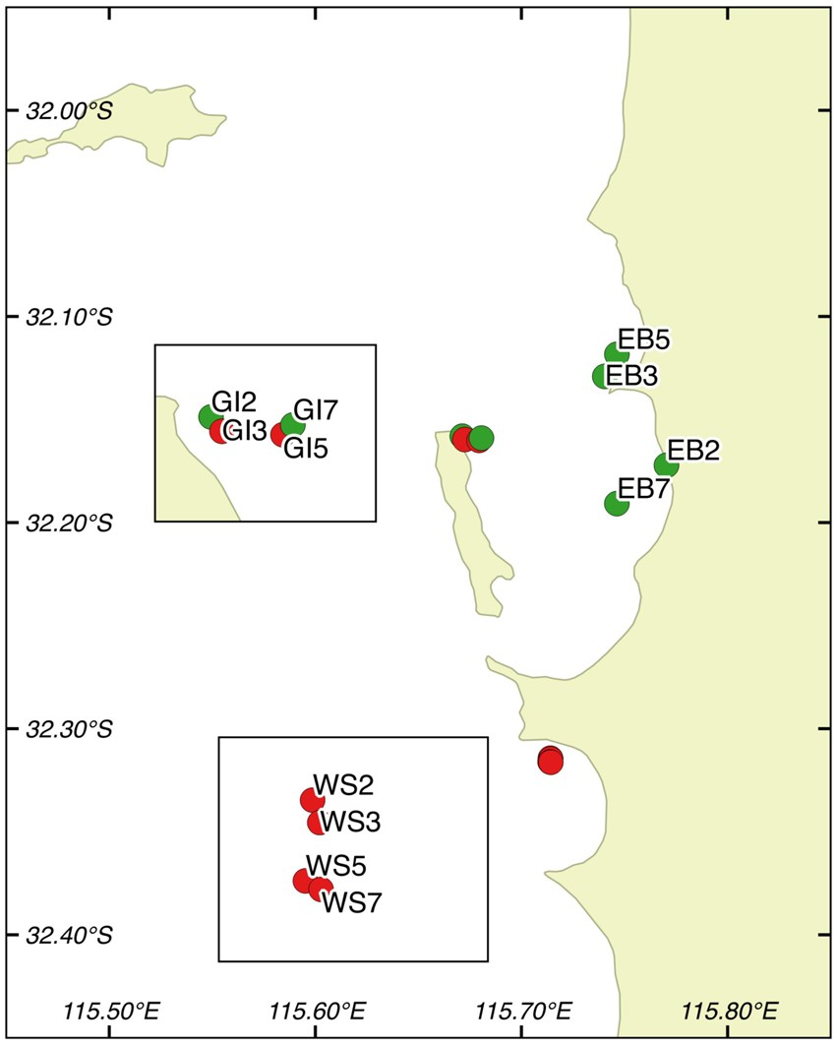
Site | Shoot density (shoots m−2) | Leaf biomass (g m−2) | Rhizome biomass (g m−2) | Root biomass (g m−2) | Productivity (mg sh day−1) | biomass above (leaf+sheath) | biomass below | shoot density (log10) | biomass_above (log10)
GI 2 m | 2050 | 241.3 | 263.5 | 182.3 | 1.03 (0.05) | 949.31833333 | 445.8 | 3.31 | 2.98
GI 3 m | 1042 | 88.9 | 145.6 | 49.8 | 1.37 (0.07) | 370.70666667 | 195.4 | 3.02 | 2.57
GI 5 m | 1450 | 188 | 300.4 | 102.8 | 1.43 (0.06) | 610.46583333 | 403.2 | 3.16 | 2.79
GI 7 m | 858 | 104.7 | 130.8 | 36.8 | 1.22 (0.09) | 387.84416667 | 167.6 | 2.93 | 2.59
EB 2 m | 1042 | 94.2 | 172.8 | 24.6 | 1.30 (0.09) | 337.58416667 | 197.4 | 3.02 | 2.53
EB 3 m | 1758 | 154.5 | 226.3 | 84.7 | 1.07 (0.05) | 284.00583333 | 311 | 3.25 | 2.45
EB 5 m | 1567 | 162.5 | 202.5 | 72.6 | 1.03 (0.04) | 386.225 | 275.1 | 3.20 | 2.59
EB 7 m | 1425 | 133.9 | 267 | 63.5 | 1.05 (0.06) | 408.8175 | 330.5 | 3.15 | 2.61
WS 2 m | 1308 | 58 | 321.7 | 72.9 | 1.16 (0.05) | 727.89833333 | 394.6 | 3.12 | 2.86
WS 3 m | 300 | 24.7 | 17.3 | 1.2 | 1.48 (0.11) | 53.504166667 | 18.5 | 2.48 | 1.73
WS 5 m | 1100 | 105.8 | 168.5 | 67.2 | 0.84 (0.05) | 309.46916667 | 235.7 | 3.04 | 2.49
WS 7 m | 658 | 89.9 | 120.7 | 40 | 1.10 (0.05) | 348.16166667 | 160.7 | 2.82 | 2.54

 |  |  |  |  |  |  |  |  |  | Map showing study area. GI = Garden Island, WS = Warnbro Sound, EB = Eastern Banks. Red icons denote sites with a history of seagrass declines, while green icons represent sites with steady shoot density trends12. Map was created with QGIS version 2.8.2 (Open Source Geospatial Foundation Project, http://qgis.osgeo.org).

 |  |  |  |  |  |  |  |  |  | Fraser, M.W., Kendrick, G.A. Belowground stressors and long-term seagrass declines in a historically degraded seagrass ecosystem after improved water quality. Sci Rep 7, 14469 (2017). https://doi.org/10.1038/s41598-017-14044-1

 |  |  |  |  |  |  |  |  |  | Sampled March-May 2015

biomass2015raw
Site | Obs | Depth | Rep | Shoot/quad | Shoots m2 | Roots g m2 | Rhiz g m2 | Biomass below | Leaves g m2 | AB ratio | Leaf sheaths g m2 | Biomass above | Epiphytes g m2 | Dead g m2 | Toredo | mm sh d | mg sh day | Sed porosity | Sediment OM (%) | Seagrass P (%dw) | Sediment P (%dw) | Cd_rhiz | Fe_rhiz | Mn_Rhiz | Zn_Rhiz | Cr_Rhiz | Impact | Status | Location | Cd_sed | Sed_Cr | Sed_Cu | Sed_Fe | Sed_Mn | Sed_Zn | Leaf%S | Leaf34S | Root%S | Root34S | Rhizome%S | Rhizome34S | S indicator | 15N | 13C | N | C | CN | CP | NP | Sed15N
GI 7 | 1 | 7 | 1 | 54 | 1350 | 65.575 | 227.065 | 292.64 | 142.2075 | 0.485946897 | 432.53 | 574.7375 | 27.48 | 281.1325 | 0 | 4.185618729 | 1.219551282 | 33.34535835 | 3.2383186 | 0.172500247 | 0.038604877 | 0.18 | 48.3 | 1.6 | 138.5 | 0.1 | Steady | Orange | Garden Island | 0.004 | 0.69 | 0.31 | 67.1 | 1.18 | 1.5 | 0.18 | 15.78 | 0.6 | 0.23 | 0.56 | 1.56 | 254.3333333 | 3.08 | -10.91 | 1.2 | 42.6 | 36 | 247.0481601 | 6.871343637 | 1.76
GI 7 | 2 | 7 | 2 | 24 | 600 | 22.725 | 87.8475 | 110.5725 | 73.31 | 0.663003911 | 190.2475 | 263.5575 | 24.5375 | 181.2525 | 0 | 4.185618729 | 0 | 34.95429804 | 3.418331097 | 0.127697382 | 0.04232011 | 0.26 | 142.4 | 1.8 | 172.3 | 0.5 | Steady | Orange | Garden Island | 0.007 | 0.59 | 0.34 | 73.8 | 1.31 | 1.63 | 0.19 | 17.12 | 0.49 | 4.55 | 0.59 | 1.5 | 248 | 2.29 | -10.6 | 1 | 41.7 | 42 | 326.6329058 | 7.769680104 | 0.96
GI 7 | 3 | 7 | 3 | 25 | 625 | 22.0475 | 77.3775 | 99.425 | 98.62 | 0.991903445 | 226.6175 | 325.2375 | 15.865 | 271.12 | 0 | 4.185618729 | 1.331923077 | 37.02214806 | 3.661327231 | 0.162648547 | 0.039336 | 0.29 | 110.9 | 2.1 | 194.6 | 0.3 | Steady | Orange | Garden Island | 0.004 | 0.53 | 0.41 | 97.4 | 1.35 | 2.56 | 0.23 | 16.51 | 0.53 | 4.46 | 0.47 | 2.49 | 202.2173913 | 3.04 | -11.09 | 0.9 | 41.6 | 44.2 | 256.0048541 | 5.787238399 | 1.44
GI 5 | 4 | 5 | 1 | 46 | 1150 | 74.2875 | 211.4775 | 285.765 | 151.5375 | 0.530287124 | 351.4 | 502.9375 | 21.7525 | 233.98 | 1 | 4.450226244 | 1.530769231 | 33.31009759 | 2.777362998 | 0.165006074 | 0.039861481 | 0.14 | 49.3 | 1.1 | 104.8 | 0.2 | Declining | Red | Garden Island | 0.002 | 0.82 | 0.23 | 47.5 | 1.08 | 1.58 | 0.18 | 13.95 | 0.55 | -2.25 | 0.54 | 1.27 | 244.1666667 | 2.79 | -10.8 | 1.2 | 42.6 | 34.5 | 258.1065137 | 7.480469276 | 0.08
GI 5 | 5 | 5 | 2 | 61 | 1525 | 140.335 | 476.4675 | 616.8025 | 196.5725 | 0.318696017 | 410.3 | 606.8725 | 21.26 | 388.1375 | 1 | 4.450226244 | 1.536713287 | 34.61432507 | 1.548346324 | 0.107111533 | 0.038643465 | 0.12 | 35 | 1.2 | 80.5 | 0 | Declining | Red | Garden Island | 0.005 | 0.66 | 0.21 | 51.2 | 1.11 | 1.2 | 0.17 | 16.08 | 0.57 | -5.62 | 0.5 | 3.32 | 271.0588235 | 2.37 | -10.56 | 0.8 | 42.1 | 51 | 393.0299782 | 7.701792323 | 0.92
GI 5 | 6 | 5 | 3 | 67 | 1675 | 93.66 | 213.3075 | 306.9675 | 215.965 | 0.703543535 | 505.6225 | 721.5875 | 36.95 | 252.6675 | 0 | 4.450226244 | 1.244551282 | 33.34780036 | 2.563191855 | 0.133479167 | 0.038773111 | 0.15 | 43.2 | 0.6 | 80.4 | 0.3 | Declining | Red | Garden Island | 0.007 | 0.6 | 0.28 | 54.7 | 1.01 | 0.96 | 0.29 | 17.38 | 0.7 | -2.41 | 0.54 | 0.56 | 163.3793103 | 6.04 | -10.89 | 1.4 | 41.9 | 29.4 | 314.0664203 | 10.69209269 | 1.69
GI 3 | 7 | 3 | 1 | 48 | 1200 | 68.605 | 201.0225 | 269.6275 | 41.27 | 0.153063022 | 381.55 | 422.82 | 37.54 | 249.91 | 0 | 4.387464387 | 1.2 | 40.46532847 | 3.381226054 | 0.102927632 | 0.038529934 | 0.28 | 60.5 | 3.3 | 193.2 | 0 | Declining | Red | Garden Island | 0.011 | 0.55 | 0.44 | 61.5 | 1.46 | 2.11 | 0.16 | 14.67 | 0.49 | -0.36 | 0.57 | 0.5 | 279.1875 | 2.49 | -11 | 0.9 | 41.1 | 46 | 399.3072368 | 8.684020547 | 1.64
GI 3 | 8 | 3 | 2 | 43 | 1075 | 49.32 | 171.925 | 221.245 | 124.6675 | 0.563481661 | 267.805 | 392.4725 | 10.0525 | 156.2625 | 0 | 4.387464387 | 1.488461538 | 40.45983329 | 2.876923077 | 0.129915995 | 0.036003 | 0.21 | 24.1 | 1.4 | 110.8 | 0 | Declining | Red | Garden Island | 0.005 | 0.58 | 0.41 | 57.5 | 1.26 | 1.3 | 0.2 | 13.2 | 0.63 | -5.02 | 0.64 | 1.97 | 216 | 2.53 | -10.41 | 1.1 | 43.3 | 39.2 | 333.3189259 | 8.494248412 | 1.17
GI 3 | 9 | 3 | 3 | 34 | 850 | 31.36 | 63.82 | 95.18 | 100.8675 | 1.059755201 | 195.96 | 296.8275 | 2.2825 | 628.325 | 0 | 4.387464387 | 1.348076923 | 37.34261527 | 3.223372883 | 0.105097281 | 0.045358372 | 0.26 | 22.3 | 21.2 | 161.6 | 0.2 | Declining | Red | Garden Island | 0.008 | 0.59 | 0.44 | 67.7 | 1.65 | 1.15 | 0.18 | 15.4 | 0.47 | 3.75 | 0.61 | 2.28 | 252.2222222 | 3.05 | -10.33 | 1 | 41.9 | 43.3 | 398.491259 | 9.212190503 | 1.75
GI 2 | 10 | 2 | 1 | 57 | 1425 | 234.115 | 153.46 | 387.575 | 198.4275 | 0.511971876 | 420.8 | 619.2275 | 24.4075 | 24.9575 | 0 | 3.416666667 | 1.019711538 | 35.20136519 | 2.960075845 | 0.147222456 | 0.039783 | 0.17 | 29 | 1.8 | 152.6 | 0 | Steady | Orange | Garden Island | 0.003 | 0.95 | 0.19 | 37.2 | 1.27 | 1.13 | 0.18 | 14.05 | 0.82 | -5.84 | 0.52 | 1.17 | 244.7222222 | 2.3 | -10.92 | 0.7 | 42.1 | 60.8 | 286.206634 | 4.707730556 | 1.48
GI 2 | 11 | 2 | 2 | 91 | 2275 | 171.565 | 360.615 | 532.18 | 221.6075 | 0.416414559 | 934.575 | 1156.1825 | 51.9625 | 628.23 | 1 | 3.416666667 | 1 | 44.56383706 | 3.365638767 | 0.171740409 | 0.037697 | 0.15 | 27.4 | 1.6 | 178.3 | 0 | Steady | Orange | Garden Island | 0.006 | 0.84 | 0.22 | 39.2 | 1.3 | 0.99 | 0.16 | 11.65 | 0.84 | -4.34 | 0.54 | 0.24 | 260.3125 | 2.9 | -11.48 | 0.9 | 42.4 | 46.4 | 247.1205426 | 5.322712561 | 1.44
GI 2 | 12 | 2 | 3 | 98 | 2450 | 141.105 | 276.5525 | 417.6575 | 303.955 | 0.727761383 | 768.59 | 1072.545 | 41.905 | 596.77 | 0 | 3.416666667 | 1.087362637 | 33.62509117 | 2.472527473 | 0.129235588 | 0.036088925 | 0.17 | 15.3 | 1.4 | 203 | 0 | Steady | Orange | Garden Island | 0.004 | 0.98 | 0.19 | 41.7 | 1.26 | 2.75 | 0.19 | 13.42 | 0.62 | -2.89 | 0.41 | 5.38 | 228.5263158 | 1.62 | -10.62 | 0.7 | 41.6 | 57.5 | 322.2354238 | 5.607133437 | 1.31
WS 7 | 13 | 7 | 1 | 31 | 775 | 55.59 | 1.093 | 56.683 | 111.3575 | 1.964566096 | 270.9275 | 382.285 | 30.0925 | 630.2425 | 1 | 4.218 | 1.118131868 | 40.32105201 | 3.404466501 | 0.120512453 | 0.035276012 | 0.38 | 31.6 | 1.3 | 121.7 | 0 | Declining | Red | Warnbro Sound | 0.006 | 0.51 | 0.26 | 93.3 | 1.81 | 1.72 | 0.19 | 11.96 | 0.52 | -2.48 | 0.55 | 3.02 | 220.8421053 | 0.55 | -10.58 | 1.2 | 42.4 | 36.4 | 351.7402062 | 9.672121447 | 1.83
WS 7 | 14 | 7 | 2 | 16 | 400 | 22.12 | 151.9375 | 174.0575 | 68.895 | 0.395817474 | 211.3425 | 280.2375 | 29.94 | 634.7725 | 1 | 4.218 | 0.971153846 | 35.76826196 | 3.311546841 | 0.138460307 | 0.037719452 | 0.23 | 67.4 | 1.1 | 108.3 | 0 | Declining | Red | Warnbro Sound | 0.008 | 0.59 | 0.24 | 81 | 1.79 | 1.17 | 0.2 | 11.58 | 0.67 | -7.15 | 0.85 | -4.42 | 207.9 | 1.82 | -10.19 | 1.2 | 42.6 | 35.5 | 307.4409491 | 8.658436003 | 1.89
WS 7 | 15 | 7 | 3 | 32 | 800 | 42.3975 | 209.1525 | 251.55 | 89.405 | 0.355416418 | 292.5575 | 381.9625 | 24.9675 | 302.75 | 1 | 4.218 | 1.176442308 | 38.62921348 | 3.277187843 | 0.110343265 | 0.041665105 | 0.34 | 75.9 | 1.1 | 89.4 | 0 | Declining | Red | Warnbro Sound | 0.003 | 0.62 | 0.31 | 92.2 | 2.06 | 0.53 | 0.22 | 11.2 | 1.24 | -7.6 | 0.58 | -5.97 | 187.2727273 | 1.71 | -10.39 | 1.2 | 41.6 | 34.9 | 376.9322154 | 10.81329476 | 1.94
WS 5 | 16 | 5 | 1 | 21 | 525 | 92.9925 | 90.4125 | 183.405 | 38.68 | 0.210899376 | 128.7275 | 167.4075 | 9.355 | 256.17 | 0 | 3.472222222 | 0.760576923 | 45.1367446 | 3.979899497 | 0.12963 | 0.039806007 | 0.26 | 95.8 | 3.2 | 107 | 0.1 | Declining | Red | Warnbro Sound | 0.012 | 0.49 | 0.77 | 110.2 | 1.77 | 2.06 | 0.2 | 13.41 | 0.42 | 5.17 | 0.58 | 1.43 | 217.05 | 2.41 | -10.46 | 1.3 | 42.8 | 31.9 | 330.0507811 | 10.35811075 | 2.25
WS 5 | 17 | 5 | 2 | 59 | 1475 | 73.99 | 235.97 | 309.96 | 165.43 | 0.533714028 | 259.925 | 425.355 | 73.4775 | 1333.725 | 0 | 3.472222222 | 0.880769231 | 33.59277553 | 3.125469572 | 0.116645136 | 0.034647215 | 0.42 | 103.6 | 2.6 | 87 | 0 | Declining | Red | Warnbro Sound | 0.005 | 0.74 | 0.23 | 57.1 | 1.84 | 0.36 | 0.15 | 13.28 | 0.45 | 2.44 | 0.43 | 6.72 | 288.5333333 | 2.84 | -10.44 | 1.1 | 42.8 | 40.2 | 367.1132279 | 9.124056049 | 1.9
WS 5 | 18 | 5 | 3 | 52 | 1300 | 34.6725 | 179.235 | 213.9075 | 113.3675 | 0.529983755 | 222.2775 | 335.645 | 64.9325 | 261.685 | 1 | 3.472222222 | 0.867132867 | 56.25562556 | 5.162738496 | 0.119330024 | 0.038290841 | 0.2 | 59.8 | 1.4 | 37.7 | 0.4 | Declining | Red | Warnbro Sound | 0.009 | 0.57 | 0.24 | 82.3 | 2.09 | 1.46 | 0.15 | 13.84 | 0.47 | 2.28 | 0.45 | 6.13 | 292.2666667 | 3 | -9.46 | 1.1 | 42.8 | 40.5 | 358.6890375 | 8.865365311 | 2.29
WS 3 | 19 | 3 | 1 | 7 | 175 | 0.4875 | 13.57 | 14.0575 | 21.69 | 1.542948604 | 23.6275 | 45.3175 | 20.98 | 10.675 | 0 | 5.613636364 | 1.631730769 | 35.52346215 | 2.958489412 | 0.083444382 | 0.039414048 |  |  |  |  |  | Declining | Red | Warnbro Sound | 0.005 | 0.91 | 0.17 | 54.7 | 1.4 | 0.64 | 0.21 | 4.39 |  |  | 0.5 | -5.59 | 163.7619048 | 1.19 | -9.33 | 0.8 | 41.3 | 53.8 | 494.9675918 | 9.193659478 | 1.31
WS 3 | 20 | 3 | 2 | 13 | 325 | 0.3575 | 7.73 | 8.0875 | 10.74 | 1.32797527 | 43.58 | 54.32 | 25.8025 | 0 | 0 | 5.613636364 | 1.452564103 | 34.84288355 | 2.543735225 | 0.111396441 | 0.034153768 |  |  |  |  |  | Declining | Red | Warnbro Sound | 0.003 | 0.97 | 0.15 | 40.4 | 1.27 | 0.35 | 0.17 | 6.14 | 1.53 | -13.99 | 0.54 | -5.31 | 212.5882353 | 1.6 | -10.06 | 0.9 | 41.8 | 48.4 | 375.1489072 | 7.755717483 | 0.92
WS 3 | 21 | 3 | 3 | 16 | 400 | 2.88 | 30.705 | 33.585 | 41.7975 | 1.244528808 | 19.0775 | 60.875 | 3.41 | 0 | 0 | 5.613636364 | 1.346153846 | 42.5954412 | 2.484774665 | 0.117232906 | 0.036228602 | 0.42 | 11.1 | 0.6 | 23.4 | 0 | Declining | Red | Warnbro Sound | 0.004 | 0.93 | 0.15 | 36.6 | 1.41 | 0.45 | 0.22 | 2.85 | 0.71 | -12.94 | 0.64 | -2.62 | 149.3181818 | 1.01 | -10.48 | 1 | 42.2 | 42.4 | 359.6108226 | 8.489306823 | 1.21
WS 2 | 22 | 2 | 1 | 66 | 1650 | 83.755 | 434.5 | 518.255 | 56.0525 | 0.108156217 | 868.975 | 925.0275 | 55.3025 | 87.4575 | 0 | 4.386666667 | 1.190064103 | 29.33206766 | 2.576627183 | 0.101084927 | 0.033417801 | 0.27 | 21.9 | 0.9 | 120 | 0 | Declining | Red | Warnbro Sound | 0.003 | 1.03 | 0.13 | 30.4 | 1.19 | 0.47 | 0.17 | 11.03 | 0.82 | -10.21 | 0.93 | -5.82 | 241.3529412 | -1.69 | -10.76 | 1 | 42.2 | 40.4 | 417.5842625 | 10.32529225 | 0.46
WS 2 | 23 | 2 | 2 | 51 | 1275 | 110.695 | 373.05 | 483.745 | 36.0825 | 0.074589918 | 927.9425 | 964.025 | 33.39 | 80.715 | 0 | 4.386666667 | 1.037179487 | 34.50384073 | 2.345619914 | 0.124681071 | 0.033877679 | 0.24 | 14.8 | 1 | 137.5 | 0 | Declining | Red | Warnbro Sound | 0.005 | 0.98 | 0.13 | 26.9 | 1.2 | 2.61 | 0.17 | 10.73 | 0.65 | -14.28 | 0.74 | -5.41 | 239.5882353 | 2 | -11.06 | 1.1 | 42 | 38.7 | 336.9063624 | 8.70169839 | 1.47
WS 2 | 24 | 2 | 3 | 40 | 1000 | 24.1 | 157.6075 | 181.7075 | 81.7825 | 0.450077735 | 212.86 | 294.6425 | 4.6425 | 164.135 | 0 | 4.386666667 | 1.373076923 | 33.55935487 | 2.777372795 | 0.137698555 | 0.038331824 | 0.25 | 24.1 | 1 | 115.6 | 0 | Declining | Red | Warnbro Sound | 0.002 | 1.03 | 0.12 | 37.8 | 1.29 | 0.2 | 0.18 | 8.63 | 0.57 | -2.05 | 0.67 | -4.43 | 214.6111111 | 0.25 | -11.43 | 1.2 | 42.6 | 35.6 | 309.1231915 | 8.67134305 | 1.65
Jerv | 25 | 3 | 1 | 33 | 825 | 18.405 | 111.25 | 129.655 | 91.745 | 0.707608654 | 166.315 | 258.06 | 48.7475 | 0 | 1 | 3.95 | 1.467619048 | 28.32834705 | 0.930515697 | 0.115182762 | 0.020161945 | 0.28 | 35.9 | 1.3 | 161.1 | 0 | Steady | Orange | Eastern Banks | 0.002 | 0.35 | 0.24 | 39.2 | 0.87 | 1.77 | 0.19 | 14.65 | 0.8 | -2.91 | 0.56 | -1.68 | 235 | 4.5 | -9.13 | 1.4 | 41.8 | 30.4 | 362.7346503 | 11.94454655 | 2.72
Jerv | 26 | 3 | 2 | 54 | 1350 | 43.7825 | 252.595 | 296.3775 | 113.015 | 0.381321119 | 259.1075 | 372.1225 | 30.16 | 184.15 | 1 | 3.95 | 1.396103896 | 26.38816081 | 0.870994248 | 0.113304783 | 0.015902565 | 0.25 | 48.5 | 3.2 | 146.9 | 0 | Steady | Orange | Eastern Banks | 0.003 | 0.33 | 0.2 | 29.9 | 0.91 | 1.54 | 0.22 | 14.49 | 0.7 | -5.14 | 0.56 | -0.32 | 202.2272727 | 4.59 | -9.29 | 1.1 | 41.7 | 36.4 | 368.2181425 | 10.11317112 | 2.18
Jerv | 27 | 3 | 3 | 38 | 950 | 11.61 | 154.63 | 166.24 | 77.8725 | 0.468434192 | 143.9625 | 221.835 | 33.6925 | 62.67 | 0 | 3.95 | 0.833333333 | 30.12675419 | 0.971817298 | 0.118137395 | 0.023650364 | 0.19 | 83.7 | 1.1 | 96.2 | 0 | Steady | Orange | Eastern Banks | 0.003 | 0.34 | 0.28 | 35.3 | 0.84 | 1.68 | 0.2 | 15.29 | 0.44 | 9.05 | 0.45 | 7.84 | 226.45 | 4.73 | -8.99 | 1.2 | 42.3 | 34.2 | 358.4331652 | 10.47596851 | 3.2
Kwinana | 28 | 7 | 1 | 46 | 1150 | 30.7525 | 300.0825 | 330.835 | 108.2175 | 0.327104146 | 251.6925 | 359.91 | 38.1025 | 307.265 | 0 | 4.029761905 | 0.961471861 | 41.93071059 | 4.370706847 | 0.126203 | 0.051533536 | 0.17 | 130.8 | 2.2 | 91.8 | 0 | Steady | Orange | Eastern Banks | 0.009 | 0.27 | 0.54 | 116.6 | 2.1 | 6.98 | 0.16 | 12.74 | 0.5 | -1.31 | 0.53 | 5.41 | 267.125 | 3.38 | -11.32 | 1.1 | 42.6 | 39.7 | 337.7620873 | 8.508260893 | 3.39
Kwinana | 29 | 7 | 2 | 44 | 1100 | 28.9575 | 176.2275 | 205.185 | 91.595 | 0.446402027 | 176.0325 | 267.6275 | 18.7175 | 195.425 | 0 | 4.029761905 | 1.313095238 | 41.92212096 | 3.156205421 | 0.128617094 | 0.04035331 | 0.19 | 70.6 | 0.7 | 90 | 0 | Steady | Orange | Eastern Banks | 0.006 | 0.26 | 0.51 | 103.9 | 2.18 | 8.17 | 0.19 | 14.8 | 0.52 | -0.75 | 0.48 | 8.24 | 235.7894737 | 3.5 | -10.98 | 1.2 | 42.9 | 36.4 | 333.793061 | 9.177953683 | 3.21
Kwinana | 30 | 7 | 3 | 81 | 2025 | 130.9275 | 324.72 | 455.6475 | 201.9175 | 0.443144097 | 396.9975 | 598.915 | 82.4675 | 224.77 | 0 | 4.029761905 | 1.046031746 | 44.5459479 | 3.89822215 | 0.108303395 | 0.043563701 | 0.26 | 73 | 0.6 | 58 | 0 | Steady | Orange | Eastern Banks | 0.008 | 0.28 | 0.55 | 108.7 | 2.2 | 5.18 | 0.16 | 16.03 | 0.64 | 3.14 | 0.5 | 11.22 | 287.6875 | 3.68 | -10.2 | 0.8 | 42 | 51 | 388.2403356 | 7.6130621 | 2.92
WP | 31 | 2 | 1 | 24 | 600 | 16.6725 | 177.6575 | 194.33 | 50.6525 | 0.260651984 | 32.4 | 83.0525 | 7.385 | 0 | 0 | 4.832 | 0.967195767 | 33.35414975 | 2.99850075 | 0.105979407 | 0.037897826 | 0.16 | 31.5 | 0.6 | 16.4 | 0 | Steady | Green | Eastern Banks | 0.008 | 0.68 | 0.51 | 58.6 | 1.07 | 6.84 | 0.18 | 15.97 | 0.4 | 7.66 | 0.33 | 9.7 | 255.3888889 | 3.02 | -10.97 | 0.9 | 41.7 | 46.7 | 393.2324191 | 8.415200129 | 1.2
WP | 32 | 2 | 2 | 150 | 3750 | 199.7 | 286.8225 | 486.5225 | 334.675 | 0.687892132 | 434.6 | 769.275 | 83.6175 | 286.335 | 0 | 4.832 | 1.028571429 | 28.76359846 | 2.670202551 | 0.125266429 | 0.038771754 | 0.14 | 105.9 | 1.4 | 78.7 | 0.1 | Steady | Green | Eastern Banks | 0.007 | 0.68 | 0.43 | 55.9 | 1.12 | 4.31 | 0.21 | 17.02 | 0.43 | 7.73 | 0.32 | 15.45 | 223.9047619 | 3.22 | -10.76 | 1.1 | 42.6 | 39.4 | 339.9413472 | 8.622225111 | 0.89
WP | 33 | 2 | 3 | 37 | 925 | 37.6075 | 214.47 | 252.0775 | 78.0575 | 0.309656752 | 82.3675 | 160.425 | 20.74 | 92.3925 | 0 | 4.832 | 1.319047619 | 28.99444164 | 3.188158269 | 0.107861358 | 0.036772436 | 0.19 | 48.6 | 0.6 | 53.8 | 0 | Steady | Green | Eastern Banks | 0.002 | 0.66 | 0.3 | 57 | 1.1 | 5.38 | 0.28 | 18.76 | 0.37 | 12.37 | 0.27 | 17.39 | 174.1428571 | 3.9 | -9.88 | 1.3 | 43.6 | 33.4 | 404.4196254 | 12.10728439 | 2.48
Owen | 34 | 5 | 1 | 58 | 1450 | 31.65 | 111.2275 | 142.8775 | 138.1675 | 0.967034698 | 209.8075 | 347.975 | 27.955 | 318.895 | 0 | 4.204081633 | 1.018181818 | 29.13995726 | 1.960045232 | 0.106052941 | 0.021728457 | 0.24 | 126.8 | 1.4 | 119.4 | 0 | Steady | Green | Eastern Banks | 0.001 | 0.49 | 0.36 | 49.2 | 1.06 | 3.26 | 0.22 | 17.19 | 0.69 | 0.71 | 0.49 | 3.54 | 214.5 | 2.95 | -10.12 | 1.1 | 42.7 | 38.9 | 403.0956753 | 10.37220912 | 2.06
Owen | 35 | 5 | 2 | 61 | 1525 | 113.89 | 197.685 | 311.575 | 164.4475 | 0.527794271 | 227.5925 | 392.04 | 44.01 | 99.0625 | 1 | 4.204081633 | 0.981481481 | 36.10374858 | 3.022222222 | 0.123697304 | 0.032245543 | 0.18 | 88.6 | 1 | 97.6 | 0 | Steady | Green | Eastern Banks | 0.004 | 0.46 | 0.59 | 93 | 1.55 | 10.96 | 0.22 | 17.33 | 0.73 | 0.59 | 0.43 | 2.41 | 215.1363636 | 3.57 | -10.78 | 1.2 | 42.7 | 34.4 | 345.5309399 | 10.04554789 | 3.01
Owen | 36 | 5 | 3 | 69 | 1725 | 72.23 | 298.66 | 370.89 | 184.87 | 0.498449675 | 233.79 | 418.66 | 32.9525 | 0 | 0 | 4.204081633 | 1.079047619 | 28.27056749 | 1.634365056 | 0.113036061 | 0.02108442 | 0.16 | 69.5 | 0.9 | 83.7 | 0 | Steady | Green | Eastern Banks | 0 | 0.47 | 0.23 | 52.2 | 0.8 | 8.31 | 0.18 | 17.56 | 0.63 | 2.54 | 0.42 | 4.74 | 264.2222222 | 3.08 | -9.95 | 1.1 | 42.3 | 39.3 | 374.6549201 | 9.542891207 | 1.65

biomass2003
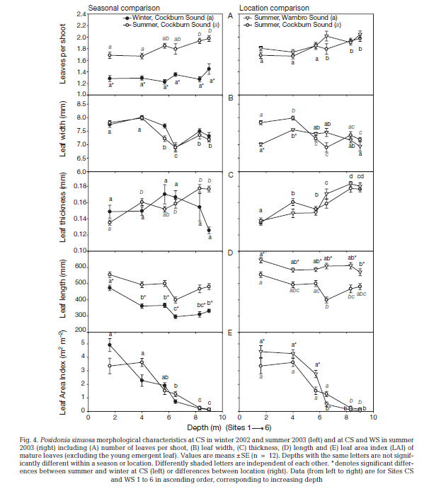
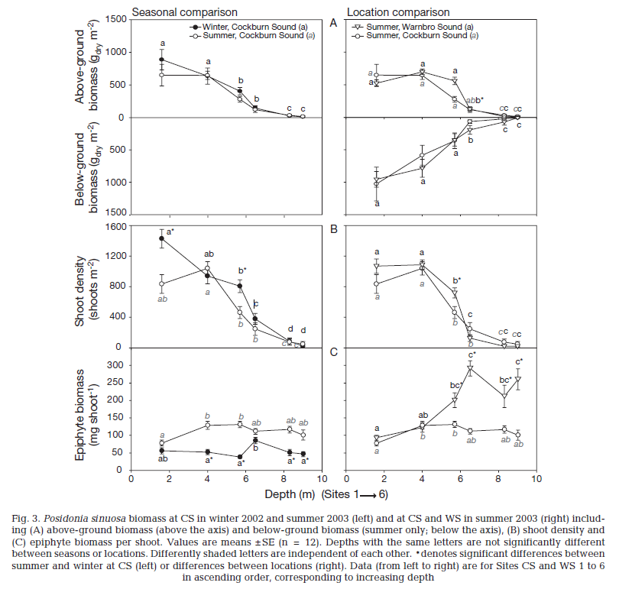
 | depth (m) | biomass_above (g dry m-2) | biomass_below (g dry m-2) | shoot density (m-2) | Leaf Area Index (m2 m-2) | Leaf length (mm) | biomass_total | shoot density (log10) | biomass_above (log10) | Leaf area per shoot (m2)
winter_Cockburn | 1.6124882 | 897.2029 |  | 1445.3782 | 4.861111 | 471.05255 |  | 3.16 | 2.953 | 0.0034
 | 3.9898624 | 645.3385 |  | 947.8992 | 2.2916667 | 365.88458 |  | 2.98 | 2.810 | 0.0024
 | 5.699007 | 417.43436 |  | 806.7227 | 1.9097222 | 366.37305 |  | 2.91 | 2.621 | 0.0024
 | 6.498638 | 143.36446 |  | 396.63864 | 0.7291667 | 293.0912 |  | 2.60 | 2.156 | 0.0018
 | 8.315806 | 32.56669 |  | 87.39496 | 0.20833333 | 308.32748 |  | 1.94 | 1.513 | 0.0024
 | 9.037583 | 16.377348 |  | 20.168068 | 0.104166664 | 335.00662 |  | 1.30 | 1.214 | 0.0052
summer_Cockburn | 1.6370096 | 654.98944 | 1028.7958 | 840.3361 | 3.3680556 | 553.40765 | 1683.78524 | 2.92 | 2.816 | 0.0040
 | 4.0166 | 645.3176 | 589.00525 | 1055.4622 | 3.6111112 | 492.35846 | 1234.32285 | 3.02 | 2.810 | 0.0034
 | 5.6709824 | 276.8273 | 353.40314 | 470.58823 | 1.5277778 | 504.62234 | 630.23044 | 2.67 | 2.442 | 0.0032
 | 6.5250897 | 112.09292 | 54.973824 | 248.7395 | 1.3194444 | 398.98666 | 167.066744 | 2.40 | 2.050 | 0.0053
 | 8.315806 | 32.56669 | 23.56021 | 80.67227 | 0.2777778 | 470.10678 | 56.1269 | 1.91 | 1.513 | 0.0034
 | 9.037583 | 16.377348 | 0 | 53.781513 | 0.104166664 | 482.07965 | 16.377348 | 1.73 | 1.214 | 0.0019
summer_Warnbro | 1.6266667 | 519.3798 | 950.2618 | 1082.1577 | 4.4111686 | 641.5241 | 1469.6416 | 3.03 | 2.715 | 0.0041
 | 4 | 682.17053 | 777.48694 | 1088.7966 | 4.349642 | 582.08545 | 1459.65747 | 3.04 | 2.834 | 0.0040
 | 5.7066665 | 558.1395 | 345.54974 | 730.29047 | 2.7823079 | 585.94696 | 903.68924 | 2.86 | 2.747 | 0.0038
 | 6.56 | 131.78294 | 188.48167 | 139.41908 | 0.547319 | 609.5872 | 320.26461 | 2.14 | 2.120 | 0.0039
 | 8.293333 | 15.503876 | 62.827225 | 33.195023 | 0.16901408 | 613.55115 | 78.331101 | 1.52 | 1.190 | 0.0051
 | 9.013333 | 15.503876 | 0.00E+00 | 26.556017 | 0.13639733 | 576.2573 | 15.503876 | 1.42 | 1.190 | 0.0051
Mean |  |  |  |  |  |  |  |  |  | 0.0036

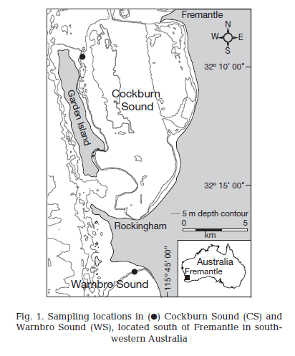
 |  |  |  |  |  |  |  |  |  |  |  |  | note: both sites are classified as 'reference' site in the annual CSMC survey (Waddington and Meeuwig 2010)
 |  |  |  |  |  |  |  |  |  |  |  |  | meaning they are relatively undisturbed compared to other sites in CS (EPA 2005)
 |  |  |  |  |  |  |  |  |  |  |  |  | A SURVEY OF SELECTED SEAGRASS MEADOWS IN COCKBURN SOUND, OWEN ANCHORAGE AND WARNBRO
 |  |  |  |  |  |  |  |  |  |  |  |  | SOUND: DATA REPORT
 |  |  |  |  |  |  |  |  |  |  |  |  | EPA_2005_MANUAL OF STANDARD OPERATING PROCEDURES FOR ENV MONITORING

 | Leaf Area Index (m2 m-2)
897.2029 | 4.861111
645.3385 | 2.2916667
417.43436 | 1.9097222
143.36446 | 0.7291667
32.56669 | 0.20833333
16.377348 | 0.104166664
654.98944 | 3.3680556
645.3176 | 3.6111112
276.8273 | 1.5277778
112.09292 | 1.3194444
32.56669 | 0.2777778
16.377348 | 0.104166664
519.3798 | 4.4111686
682.17053 | 4.349642
558.1395 | 2.7823079
131.78294 | 0.547319
15.503876 | 0.16901408
15.503876 | 0.13639733

 | Leaf length (mm)
897.2029 | 471.05255
645.3385 | 365.88458
417.43436 | 366.37305
143.36446 | 293.0912
32.56669 | 308.32748
16.377348 | 335.00662
654.98944 | 553.40765
645.3176 | 492.35846
276.8273 | 504.62234
112.09292 | 398.98666
32.56669 | 470.10678
16.377348 | 482.07965
519.3798 | 641.5241
682.17053 | 582.08545
558.1395 | 585.94696
131.78294 | 609.5872
15.503876 | 613.55115
15.503876 | 576.2573
 |  |  |  |  |  |  |  |  |  |  | Collier et al 2007 | Morphological, growth and meadow characteristics
 |  |  |  |  |  |  |  |  |  |  |  | of the seagrass Posidonia sinuosa along a depthrelated
 |  |  |  |  |  |  |  |  |  |  |  | gradient of light availability

biomass1993
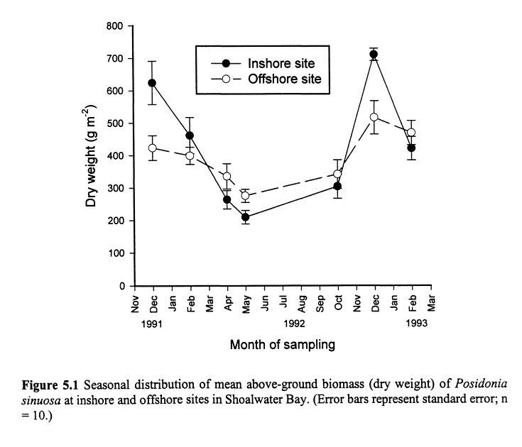
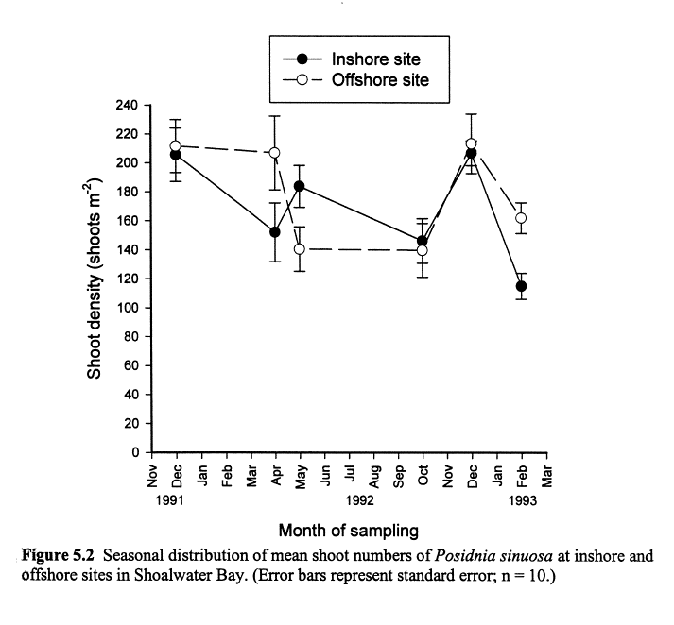
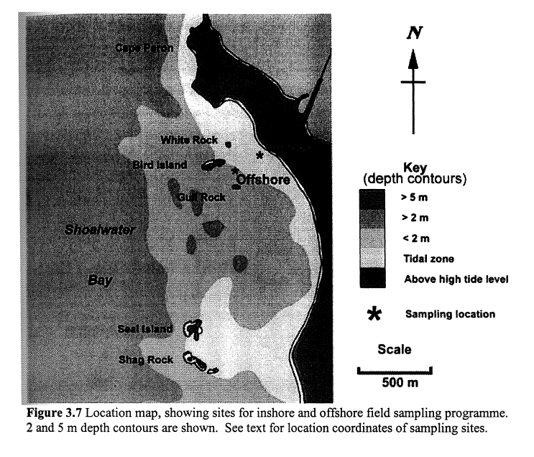
 | months | shoot density (suspect it was per 0.25m2) | biomass_above | shoot density m2 | shoot density (log10) | biomass_above (log10) | Note the below Fig 5.2 is likely showing shoot density per quadrat (0.25m2) not m2, according to the text in Keulen 1998 p134 and shoot density/biomass relationship from other years data
Shoalwater_inshore | 1991-12-01 | 205.71428 | 626.5355 | 822.9 | 2.9 | 2.8
Shoalwater_inshore | 1992-02-01 |  | 462.8986 |  |  | 2.7
Shoalwater_inshore | 1992-04-01 | 151.89873 | 264.34494 | 607.6 | 2.8 | 2.4
Shoalwater_inshore | 1992-05-01 | 183.58047 | 214.53896 | 734.3 | 2.9 | 2.3
Shoalwater_inshore | 1992-10-01 | 146.25677 | 304.35587 | 585.0 | 2.8 | 2.5
Shoalwater_inshore | 1992-12-01 | 207.01628 | 712.3567 | 828.1 | 2.9 | 2.9
Shoalwater_inshore | 1993-02-01 | 115.44304 | 420.70712 | 461.8 | 2.7 | 2.6
Shoalwater_offshore | 1991-12-01 | 211.79024 | 425.80826 | 847.2 | 2.9 | 2.6
Shoalwater_offshore | 1992-02-01 |  | 400.35605 |  |  | 2.6
Shoalwater_offshore | 1992-04-01 | 206.14828 | 337.0595 | 824.6 | 2.9 | 2.5
Shoalwater_offshore | 1992-05-01 | 140.18083 | 278.5453 | 560.7 | 2.7 | 2.4
Shoalwater_offshore | 1992-10-01 | 138.87885 | 343.62677 | 555.5 | 2.7 | 2.5
Shoalwater_offshore | 1992-12-01 | 213.09222 | 517.4473 | 852.4 | 2.9 | 2.7
Shoalwater_offshore | 1993-02-01 | 162.74864 | 468.7328 | 651.0 | 2.8 | 2.7

